Sheet1
 |  | KINGSFOLD MEDICAL CENTRE: PATIENT SURVEY 2017/18
 |  | Number of survey forms distributed |  |  |  | 196
 |  | Number of survey forms returned completed |  |  |  | 196

Q1 | How easy do you find it to contact the surgery by telephone?
 |  |  |  |  |  | 2017-18 | 2016-17
 | Easy |  |  |  |  | 96.93% | 90.20%
 | Not very easy |  |  |  |  | 3.06% | 6.86%
 | Not answered/other |  |  |  |  | 0.00% | 2.94%
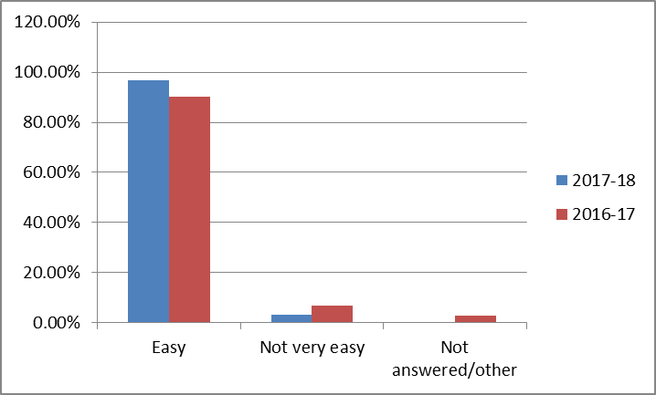

Q2 | When contacting the surgery by telephone how do you rate the
 | way your call is dealt with?
 |  |  |  |  |  | 2017-18 | 2016-17
 | Poor |  |  |  |  | 0.00% | 0.49%
 | Good |  |  |  |  | 35.71% | 42.65%
 | Excellent |  |  |  |  | 63.77% | 53.92%
 | Not answered/other |  |  |  |  | 0.51% | 2.94%
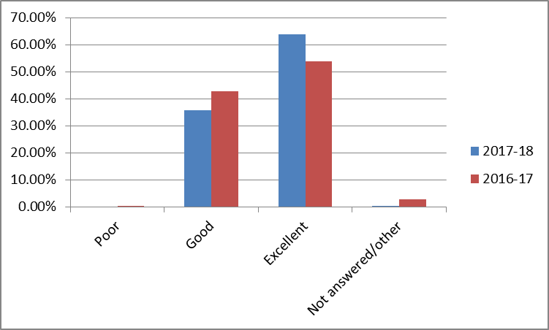

Q3 | How easy do you find it to make an appointment at the surgery?
 |  |  |  |  |  | 2017-18 | 2016-17
 | Easy |  |  |  |  | 94.89% | 86.28%
 | Not very easy |  |  |  |  | 5.10% | 11.27%
 | Not answered/other |  |  |  |  | 0.00% | 2.45%
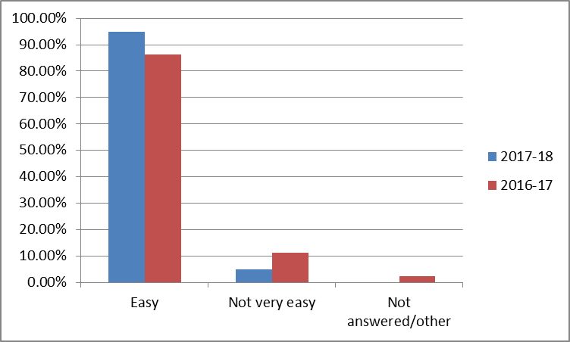

 |  |  |  |  |  | 2017-18 | 2016-17
Q4a | Do you have access to the internet? |  |  |  | Yes | 72.44% | 85.29%
 |  |  |  |  | No | 27.55% | 14.22%
 |  |  |  |  | Not answered | 0.00% | 0.49%

 | Yes | No | Not answered
2017-18 | 0.7244 | 0.2755 | 0
2016-17 | 0.8529 | 0.1422 | 0.0049

Q4b | Are you aware that you can make appointments and order repeat
 | prescriptions via the practice website?
 |  |  |  |  |  | 2017-18 | 2016-17
 | Yes |  |  |  |  | 73.97% | 74.51%
 | No |  |  |  |  | 25.51% | 23.04%
 | Not answered/other |  |  |  |  | 0.51% | 2.45%
 | (If no, and you would like to use this service please ask at
 | reception for a PIN number)

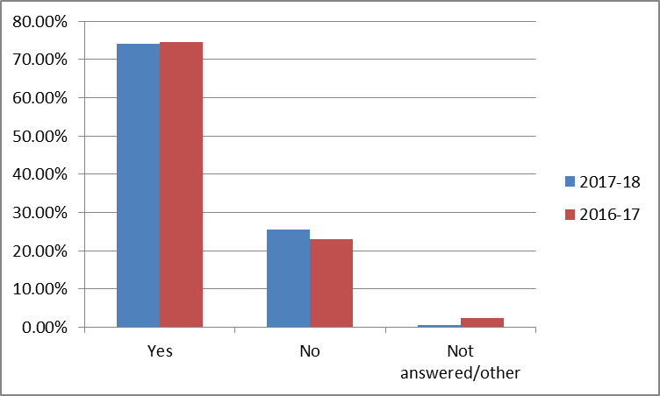

Q5 | On a scale of 1-10, how do you generally rate the staff and services you receive at
 | Kingsfold Medical Centre? (1 being very poor, 10 being excellent)
 |  | 2017-18 | 2016-17 |  | 2017-18 | 2016-17
 | 1 |  |  | 6 | 1.53% | 1.47%
 | 2 |  |  | 7 | 2.55% | 5.39%
 | 3 |  |  | 8 | 18.87% | 22.55%
 | 4 |  |  | 9 | 17.34% | 22.55%
 | 5 | 0.00% | 1.47% | 10 | 59.69% | 46.08%
 |  |  |  | not rated | 0.00% | 0.49%

 | 2017-18 | 2016-17
1
2
3
4
5 | 0 | 0.0147
6 | 0.0153 | 0.0147
7 | 0.0255 | 0.0539
8 | 0.1887 | 0.2255
9 | 0.1734 | 0.2255
10 | 0.5969 | 0.4608

